Sheet1
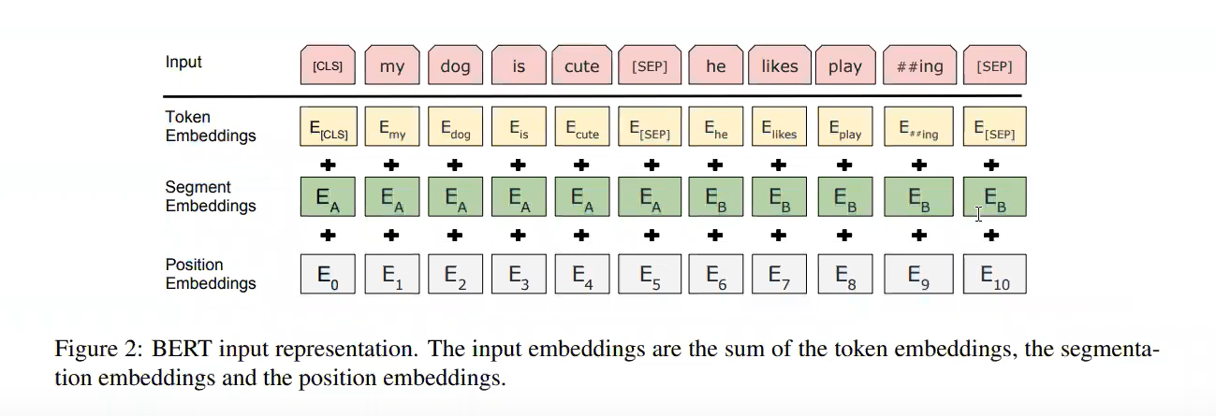
Paper Understanding
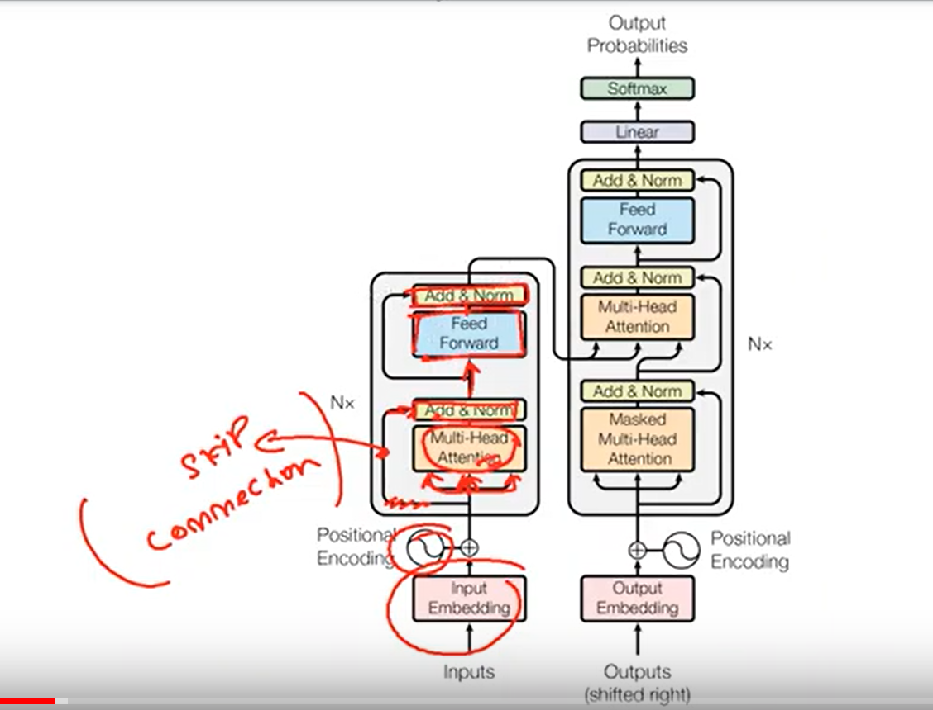
 |  |  |  |  | Nx | Any number

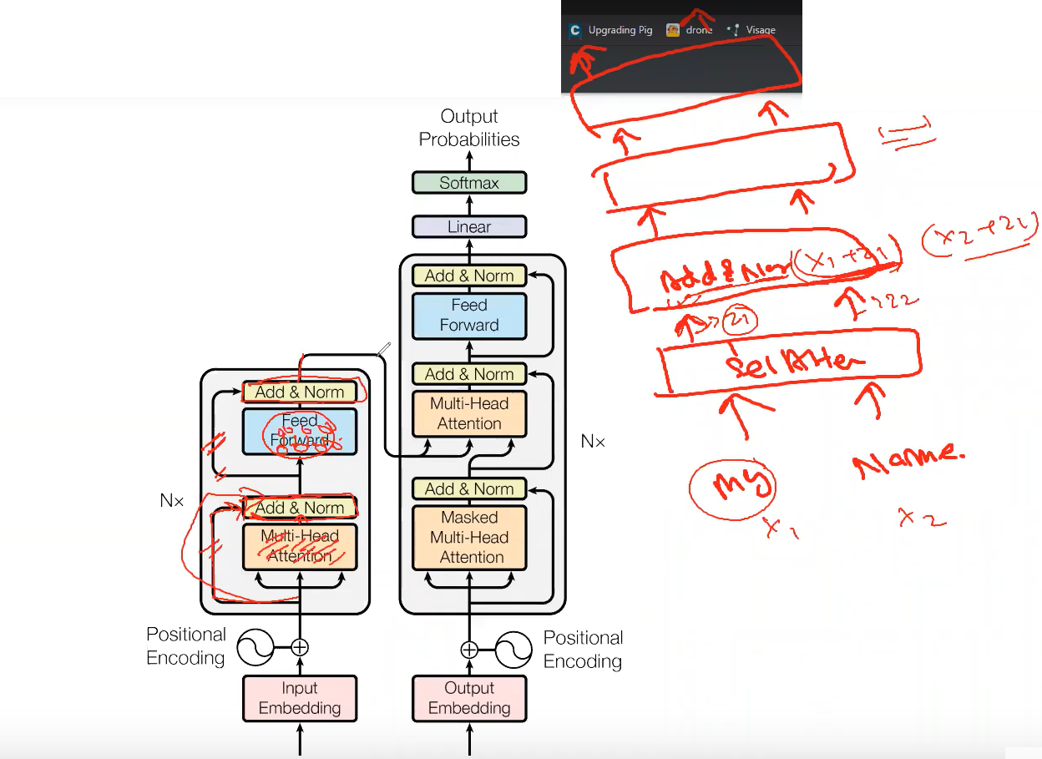

 |  | One Encoder

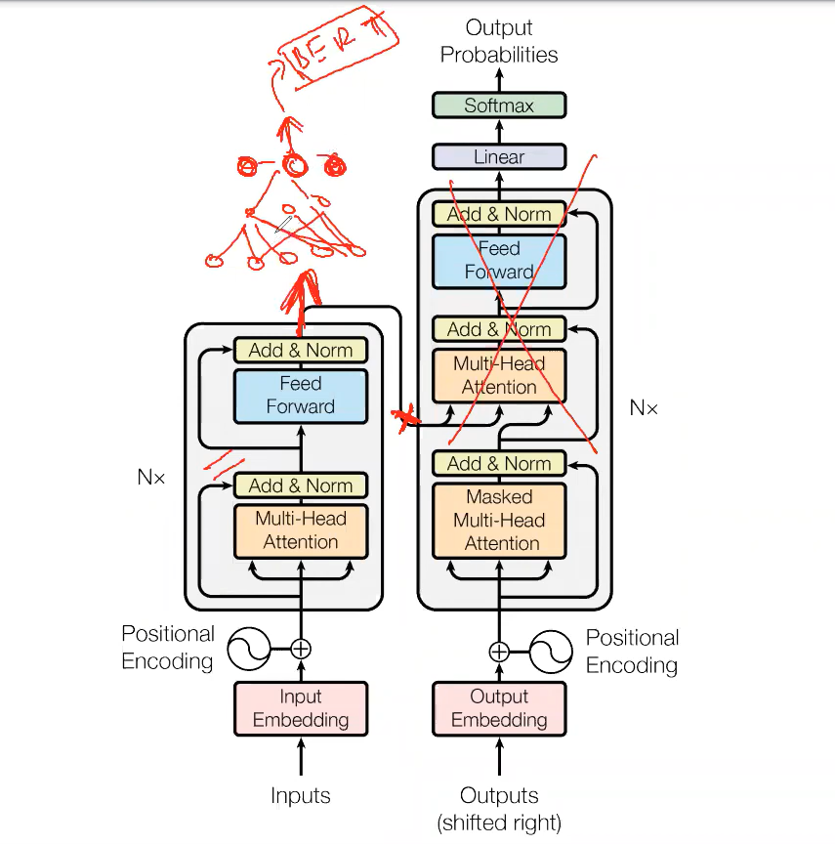
 |  |  |  |  |  | - At the end of encoder we can use NN also

 |  |  |  |  |  |  | - May be softmax in NN
 |  |  |  |  |  |  | - the task may be a classification problem .

 |  |  |  |  |  | - BERT is an encoder based netwwork
 |  |  |  |  |  | - No decoder

 |  |  |  |  |  | - At the end of encoder , it is not neccesarily to have decoder .

 |  |  |  |  |  | BERT

 |  |  |  |  |  | - BERT is an encoder based network . [ Small , Large ]

 |  |  |  |  |  | - Add outer layer with softmax function .

 | - This will be useful for sentence generation .
 |  | - Word token generation
 |  | - QA session
 |  | - NER generation

 | - BERT ( original architecture ) is derived from this research paper - encoder part .
 |  | - There are 25 varieties of BERT are there .

 | - GPT is for more no. of parameters . - It's a decoder based network .

Decoder

 | Masked Multi-Headed attention
 |  | hide something .
 |  |  |  | Decoder
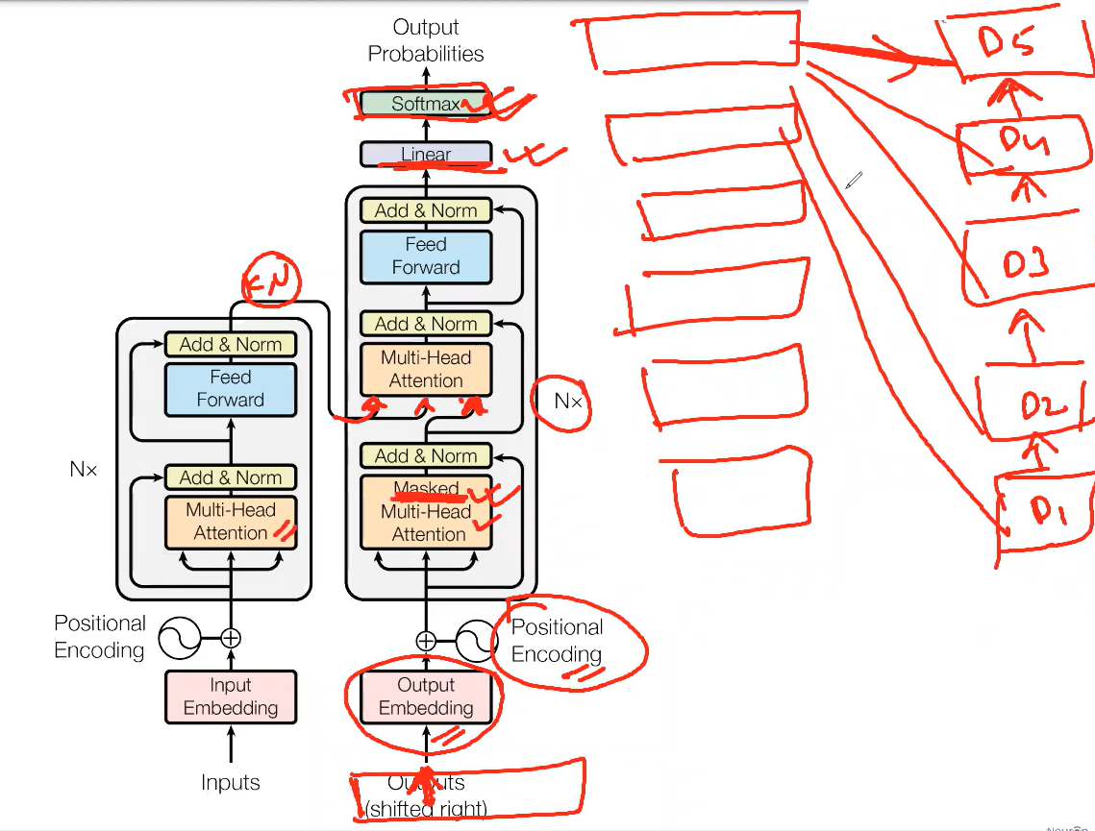

 |  | 3 inputs
 |  |  | key,value pair
 |  |  | prevous output

 |  |  |  |  |  |  |  |  |  | Nx - One decoder

 |  |  |  | Previous output

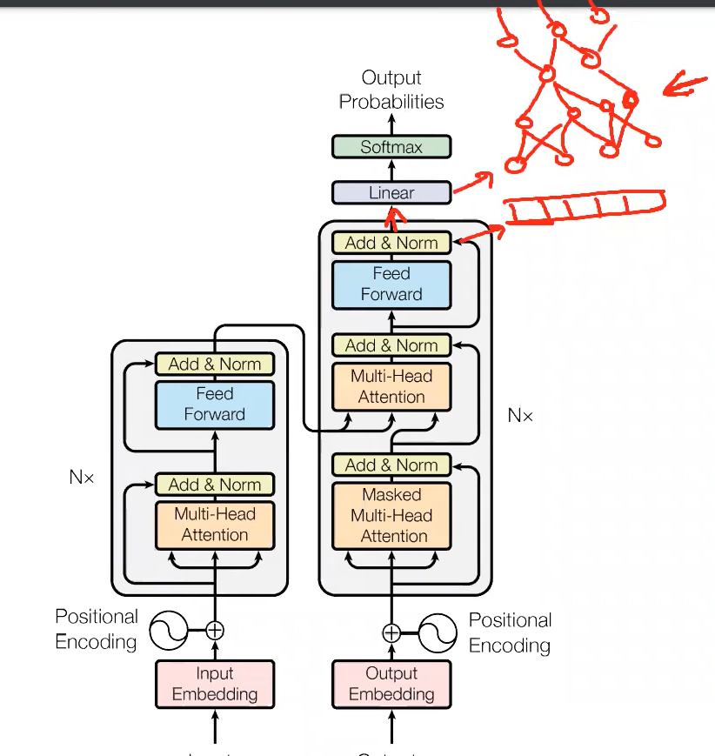
 |  |  |  |  |  | What is the benefit of having multiple encoder and decoder ?

 |  |  |  |  |  |  | Spam detection / sentiment analysis
 |  |  |  |  |  |  |  | Easy as it searches for few words .

 |  |  |  |  |  |  | Sentence generation / Language translation / QA
 |  |  |  |  |  |  |  | Need attention model
 |  |  |  |  |  |  |  |  | context
 |  |  |  |  |  |  |  |  | position
 |  |  |  |  |  |  |  |  | next word
 |  |  |  |  |  |  |  |  | each and everything matters and it has to learn .

- | NN is a function
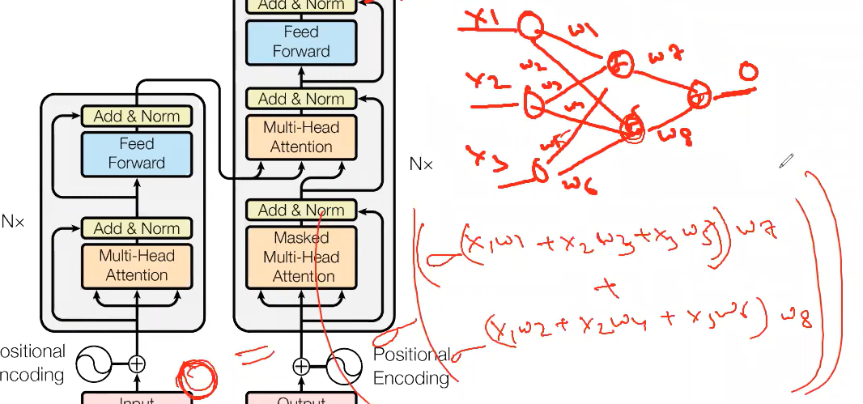

 |  |  |  |  |  | Output

 |  | You can take the output from any layer .

 | Positional Encoding

BERT | Bidirectional Encoder Representations from Tranformers

 | Research Paper
 |  | /04.AttentionIsAllYouNeed/1810.04805.pdf

Encoder
 |  |  |  | Add output function - Layer with Softmax function .
 | We can solve
 |  | - Classification problem
 |  | - embeddings problem
 |  | - question-answering
 |  | - language inference

